(INTERNAL) Basic Entry
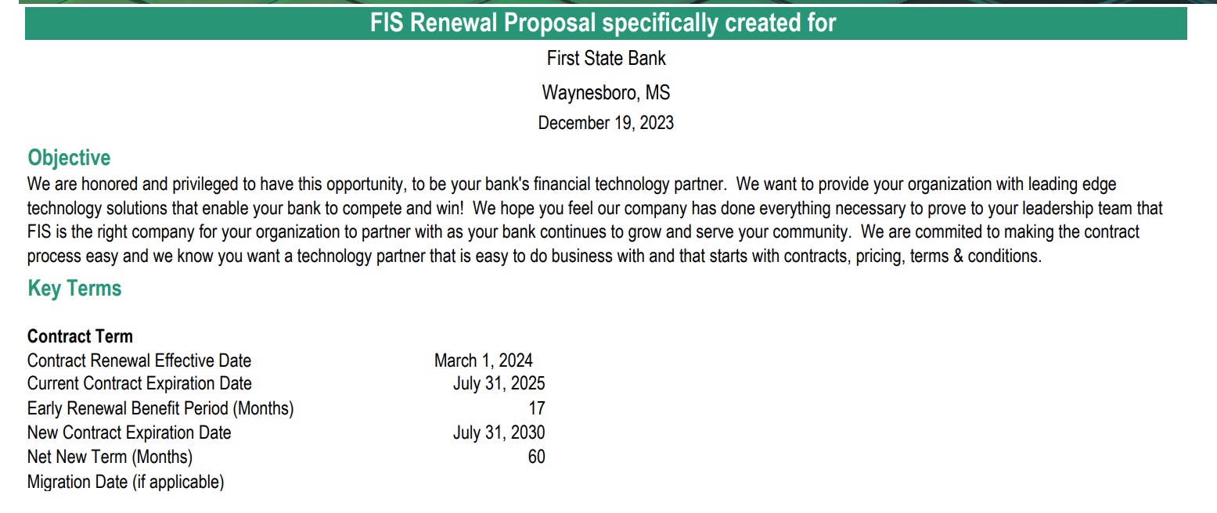
 | INTERNAL USE ONLY

 | Arriba Advisors Data Entry Required in Blue Fields

 |  |  | Additional Boxes for Custom Cell Linking:
 | Client's Name | First State Bank of Waynesboro | Current Contract Effective Date

 | Project Type (ex: Digital, CORE, etc.) | CORE & DIGITAL | (Custom Entry)

 | Current Contract End Date |  | Early Term Savings (# of Months)

 | What is our baseline?
A) | Baseline from Current Invoices

 | Incumbent Vendor's Name | Current (FIS Bankway)

 | Prospective Vendor #1's Name | FIS Horizon with D1 Flex | Vendor #1 Proposal Date or Round | Proposal Dated 12/13/2023

 | Prospective Vendor #2's Name | FIS Horizon WITHOUT D1 Flex | Vendor #2 Proposal Date or Round | Proposal Dated 12/13/2023

 | Prospective Vendor #3's Name | Vendor #3 | Vendor #3 Proposal Date or Round | Month Year

Vendor TCO
Total Cost of Ownership for 5 years
First State Bank of Waynesboro
Digital Pricing Analysis Summary
TCO for 5 years
Current (FIS Bankway) Core Items- In house | $7,345,092
Current Digital Items | $3,655,369
Proposed Core with FIS Horizon- Outsource | $6,492,854
Proposed Digital with FIS D1 | $2,198,932
Proposed Core with FIS Horizon- Outsource | $6,856,556
Proposed Digital with Q2* | $3,276,434
 | 5 Year Term |  | 5 Year Term
 | No Optional Items |  | Optional Items Included |  | Monthly Estimate W/O Optional | Monthly Estimate W Optional
Current (FIS Bankway) Core Items- In house | $7,345,092 | $11,000,461 | $7,345,092 | $11,000,461 | $183,341 | $183,341
Current Digital Items | $3,655,369 |  | $3,655,369

Proposed Core with FIS Horizon- Outsource | $6,492,854 | $8,691,786 | $7,277,747 | $10,031,967 | $144,863 | $167,199
Proposed Digital with FIS D1 | $2,198,932 |  | $2,754,220

Proposed Core with FIS Horizon- Outsource | $6,856,556 | $10,132,990 | $7,754,625 | $12,399,283 | $168,883 | $206,655
Proposed Digital with Q2* | $3,276,434 |  | $4,644,659

Analytical Assumptions & Notes:
Growth of 5% to quantities applied year over year. CPI added as well
Quantities in use are the averages from the bank's June, July, August, and September 2023 invoices. (More invoices may be added as they are billed.)
* Q2 would like to emphasize that the proposal currently reflects pre-negotiated rates and discounts will apply in the next round of proposals.
Q2 cost includes FIS Deconversion estimate fee of $42,900
All proposed cost mentioned above are pre-negotiated
FI Horizon cost includes - MC BRAND FLIP - Remaining credit of $260k

Q2 note on Timing of Digital banking conversion-
Regardless of what core FSB elects to convert to, they will have two options, that would affect the costs associated that election if coupled with a Q2 Platform decision. As discussed with the bank, we have experience with previous customers with both options, and although communication on the topic is very important, we have no true preference on which choice they make. We are happy to take the route they prefer.
Option One – Convert to a new core prior to the initiation of a Q2 implementation.
In this scenario the OTFs that are applied in the current proposal would simplistically become applicable to our implementation with the new core. Ther would be either a very negligible amount of new OTFs or a zero difference in cost.
Option Two – Convert to Q2 on their current core and then implement Q2 a second time on the new core
In this scenario we would introduce an additional OTF of roughly 150k – 160k for the core conversion project/hours our adaptor team would have to complete to reintegrate our platform to the new core. This verbiage is typically placed in our MSO.
Additionally important to mention – If they go Horizon with Xchange or AllLink then the proposal is whole. If FSB elects to change to a Horizon Core and also go forward with FIS’s newer adaptor/middleware (CodeConnect) we would need to introduce some custom dev work on the Q2 side. This would result in roughly an additional $80,000 in OTFs for FSB from Q2.

